Sheet1
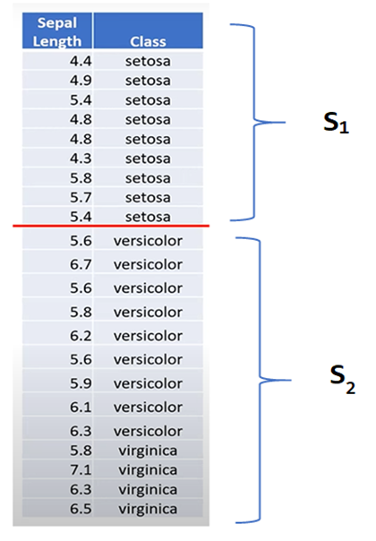
Sepal Length | Class | Sepal Length | Class
4.4 | setosa | 4.3 | setosa
4.9 | setosa | 4.4 | setosa
5.4 | setosa | 4.8 | setosa
4.8 | setosa | 4.8 | setosa
4.8 | setosa | 4.9 | setosa
4.3 | setosa | 5.4 | setosa
5.8 | setosa | 5.4 | setosa
5.7 | setosa | 5.6 | versicolor
5.4 | setosa | 5.6 | versicolor
5.6 | versicolor | 5.6 | versicolor
6.7 | versicolor | 5.7 | setosa
5.6 | versicolor | 5.8 | setosa
5.8 | versicolor | 5.8 | versicolor
6.2 | versicolor | 5.8 | virginica
5.6 | versicolor | 5.9 | versicolor
5.9 | versicolor | 6.1 | versicolor
6.1 | versicolor | 6.2 | versicolor
6.3 | virginica | 6.3 | virginica
5.8 | virginica | 6.3 | virginica
7.1 | virginica | 6.5 | virginica
6.3 | virginica | 6.7 | versicolor
6.5 | virginica | 7.1 | virginica

